Calculator
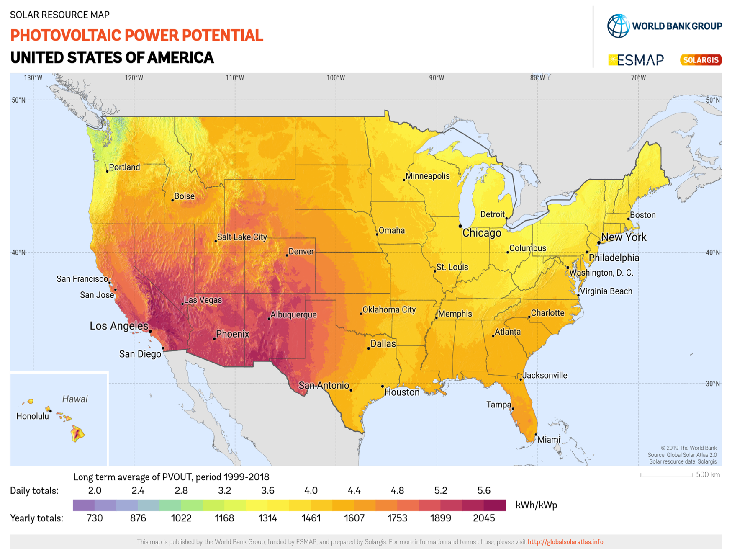
Shop.Solar Savings and ROI Calculator
Use the included North America Photovoltaic Power Potential map to determine the average daily kWh/kWp for your area. Enter this information, along with other basic details in the yellow fields below. Instantly see your payback period, annual savings, and total incentives—calculated automatically.

For more free tools and expert solar tips, visit Shop.Solar
Free Instant Solar ROI & Incentive Calculator

Photovoltaic Out for your area. Use the map to find your Daily Average (kWh/kWp) | 5.1
Annual electricity use (kWh/year) | 10000
Electricity rate ($/kWh) | 0.2
System size (kW) | 5
Build Cost per watt ($/W) | 3
Battery storage included? (Yes=1, No=0) | 0
Battery capacity (kWh) | 10
EV charger? (Yes=1, No=0) | 0
EV daily driving energy (kWh/day) | 6
Federal tax credit (%) | 30.0%
Additional incentives (%) | 0.0%
Loan interest rate (%) | 6.0%
Loan term (years) | 15 | https://solargis.com/resources/free-maps-and-gis-data?locality=usa
System life (years) | 25 | Homeowners often have questions about costs, financing, and what kind of return they can expect. To help you out, we offer a clear, customizable calculator and explain the underlying assumptions. This way, you can easily estimate your system costs and explore options like adding batteries or oversizing for EV charging. Shop.Solar is here to support you in making confident, informed choices—so you can feel good about your decisions, free from pressure or upselling. • Typical U.S. residential solar installations cost around $25,000 before incentives. • The federal tax credit covers 30% of the system cost and is available through 2032. • Typical payback periods range from 5–10 years depending on system cost, electricity rates, and incentives. • High-efficiency monocrystalline panels have efficiencies of 15–20% and 25–30‑year warranties, while polycrystalline panels offer 13–16% efficiency and 20–35‑year lifespans. • This tool is a simplified estimate and should be used in consultation with a professional installer. Contact us if you need a reference for a reputable installer.
Manufacturers Guaranteed annual degradation rate (%) | 0.5
Performance ratio | 0.75

Calculated values
System cost before incentives ($) | $15,000.00
Incentive amount ($) | $4,500.00
Net system cost ($) | $10,500.00
Annual energy production (kWh) | 9307.5
Annual savings ($) | $1,861.50
Payback period (years) | 5.6
Lifetime savings ($) | $36,037.50

